Linear Assets
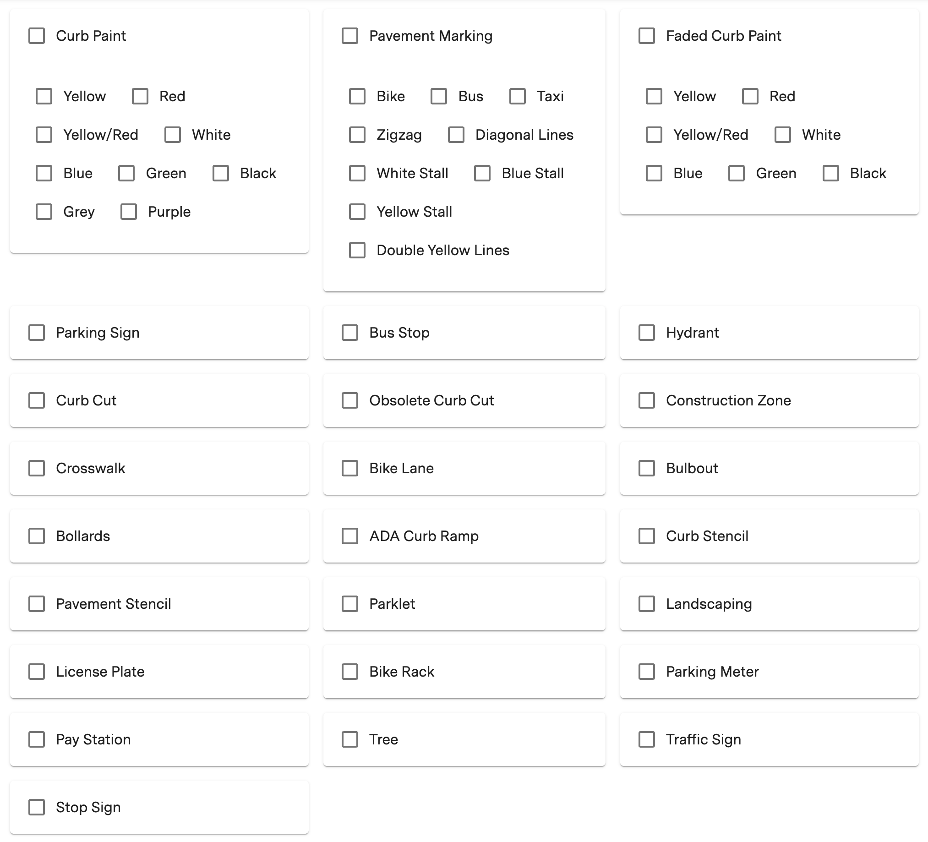
Property name | type | subtype | curb_id | dist_s_m | dist_e_m
Property type | string | string | string | float | float
Property description | The kind of linear asset this. | For assets (such as Curb Paint or Pavement Marking) that have different marking types (colors, shapes, patterns, etc.), the type of marking on this particular one. | ID of the curb face this asset is on. | The distance of the start of this asset from the start of the curb, in meters. | The distance of the end of this asset from the start of the curb, in meters. Always greater than dist_s_m.
Example | Curb Paint | Red | bnljOjEwNDMzNQ | 12.54 | 40.2
Possible values | Bike Lane Bike Rack Bollards Bulbout Construction Zone Crosswalk Curb Cut Curb Paint Empty Curb Faded Curb Paint Landscaping No-Parking Curb Obsolete Curb Cut Parklet Pavement Marking Smart Zone Virtual Zone | Bike Black Blue Blue Stall Bus Diagonal Lines Double Yellow Lines Green Grey Red Taxi White White Stall Yellow Yellow/Red Yellow Stall Zigzag

 | See below for a mapping of which types can contain which subtypes:

